Sheet1
 |  | EXACT V FORMULA BEFORE VEL INVERSION : |  |  |  |  | y=w/2-(w*tan(k*w*x-atan((2*v)/w-1)))/2 |  |  |  | X (time) for which the inversion happens : | (x1=(atan((2*v)/w-1)+pi*k+pi/4)/(k*w) | w≠0)
rho | 1.225
Area | 0.003886 | EXACT V FORMULA AFTER VEL INVERSION : |  |  |  |  | y=w/(2*e^(2*k*w*x))-w/2
Cd | 0.25
k | 0.00059504375 | Dist travelled prior to inv : |  |  |  |  | (ln(cos(atan((w-2*v)/w)+k*t*w)))/(2*k)+(ln((2*w^2-4*v*w+4*v^2)/(w^2)))/(4*k)+(t*w)/2
f | 60
v | 19 | Dist travelled after the inv : |  |  |  |  | 1/(4*k*e^(2*f*k*w))-(2*f*k*w-1)/(4*k) |  |  | , f=falltime
w | 5
 |  | Dist travelled in case of no inversion :

 |  | Dist travelled horiz. With drag only : |  |  |  |  | (ln(k*v*x+1))/k

 |  | Dist travelled horiz. Wind drag only : |  |  |  |  | vw*f

 |  | V1 | INV TIME | DIS TRA B | DIS TRA A | DIS TRA T | DIST TR D | DIST WIN | DIST TOT
 |  | 19 | 742.02693407 | 3157.468901 | 564.45035289 | 2593.0185481 | 870.20675952 | -300 | 570.20675952

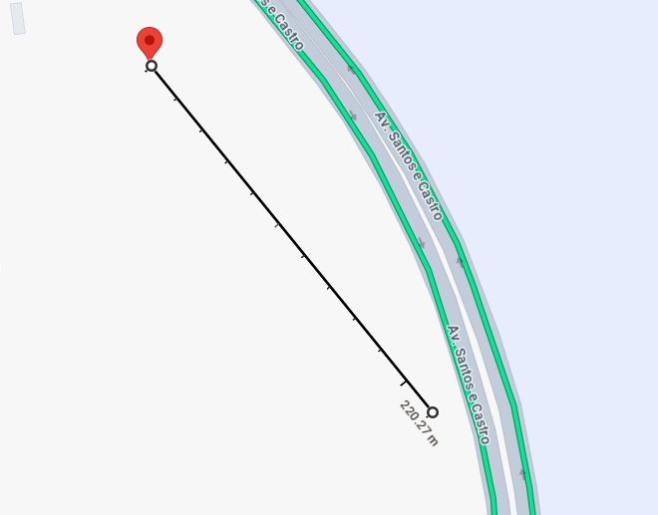

 |  |  |  |  |  |  |  |  |  | Difference of 220.27 meters with a headwind of 19 knots and falltime of 60 seconds for the Mini 2

